Sheet2
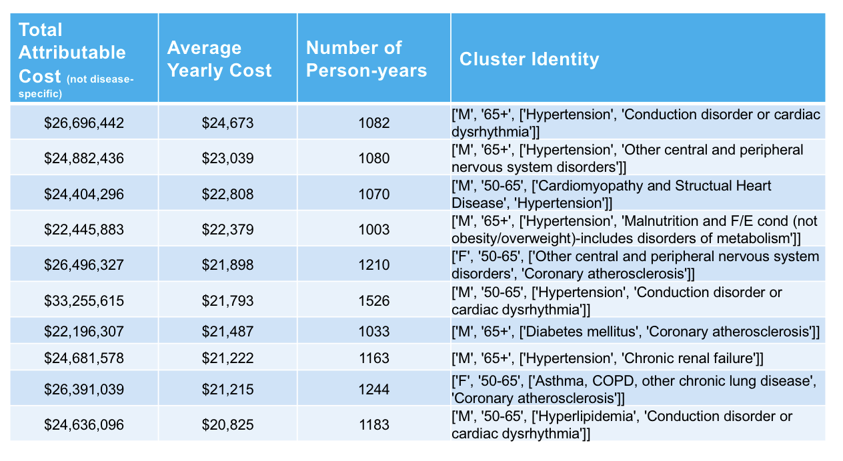
 | Cluster Identity
By Frequency | Gender | Age | Chronic Condition 1 | Chronic Condition 2 | Total Attributable Cost | Average Yearly Cost | Number of Person-years
 | F | 50-65 | Hypertension | Hyperlidemia | $93,122,272 | $7,172 | 12,985
 | F | 50-66 | Hypertension | Diabetes Mellitus | $72,878,330 | $8,557 | 8,517
 | F | 50-65 | Hyperlidemia | Diabetes Mellitus | $65,165,290 | $8,143 | 8,003
 | M | 50-65 | Hypertension | Hyperlidemia | $61,719,638 | $7,948 | 7,765
 | F | 50-65 | Hypertension | Degenerative eye problem (glauc/eye) | $54,012,310 | $8,240 | 6,555
 | F | 50-65 | Hypertension | Osteoarthritis | $66,447,600 | $10,166 | 6,536
 | F | 50-65 | Hyperlidemia | Degenerative eye problem (glauc/eye) | $49,533,370 | $7,674 | 6,455
 | F | 50-65 | Hyperlidemia | Osteoarthritis | $56,171,247 | $9,295 | 6,043
 | F | 50-65 | Hypertension | Esophageal disorder and GI ulcers | $60,965,767 | $10,297 | 5,921
 | F | 50-65 | Hyperlidemia | Esophageal disorder and GI ulcers | $53,619,011 | $9,194 | 5,832

By Average Yearly Cost | Gender | Age | Chronic Condition 1 | Chronic Condition 2 | Total Attributable Cost | Average Yearly Cost | Number of Person-years
 | M | 65+ | Hypertension | Conduction disorder or cardiac dysrhythmia | $26,696,442 | $24,673 | 1082
 | M | 65+ | Hypertension | Other central and peripheral nervous system disorders | $24,882,436 | $23,039 | 1080
 | M | 50-65 | Hypertension | Cardiomyopathy and Structual Heart Disease | $24,404,296 | $22,808 | 1070
 | M | 65+ | Hypertension | Malnutrition and F/E cond (not obesity/overweight)-includes disorders of metabolism | $22,445,883 | $22,379 | 1003
 | F | 50-60 | Coronary atherosclerosis | Other central and peripheral nervous system disorders | $26,496,327 | $21,898 | 1210
 | M | 50-60 | Hypertension | Conduction disorder or cardiac dysrhythmia | $33,255,615 | $21,793 | 1526
 | M | 65+ | Coronary atherosclerosis | Diabetes Mellitus | $22,196,307 | $21,487 | 1033
 | M | 65+ | Hypertension | Chronic renal failure | $24,681,578 | $21,222 | 1163
 | F | 50-65 | Asthma, COPD, other chronic lung disease | Coronary aetherosclerosis | $26,391,039 | $21,215 | 1244
 | M | 50-65 | Hyperlipidemia | Conduction disorder or cardiac dysrhythmia | $24,636,096 | $20,825 | 1183

